BMW
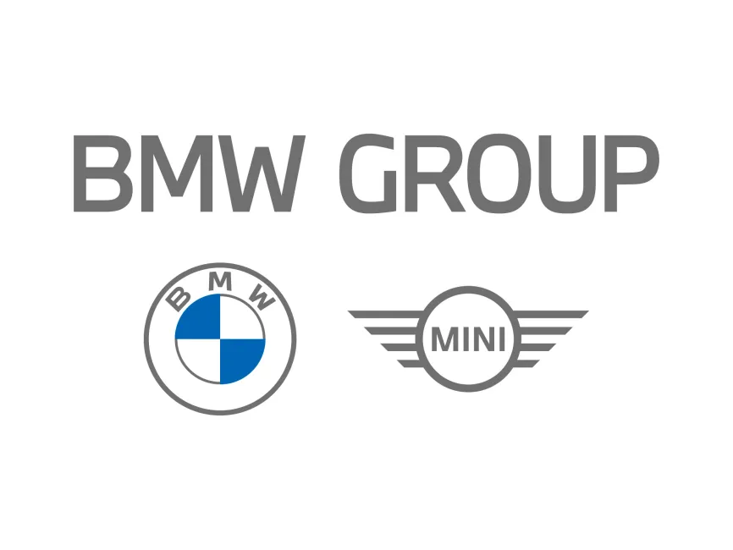
Vehicle_id | Model | Chassis code | Made in | MSRP
B01 | 230i | G42 | Mexico | 39,200
B02 | M240i | G42 | Mexico | 50,100
B03 | M2 | G87 | Mexico | 64,900
B04 | 330i | G20 | Mexico | 47,500
B05 | M340i | G20 | Germany | 61,600
B06 | M3 Competition | G80 | Germany | 85,300
B07 | 430i | G22 | Germany | 52,700
B08 | 430i Convertible | G23 | Germany | 58,700
B09 | 430i GranCoupe | G26 | Germany | 51,200
B10 | M440i | G22 | Germany | 66,250
B11 | M4 Competition | G82 | Germany | 88,300
B12 | i4 M50 | G26 | Germany | 70,700
B13 | 530i | G60 | Germany | 60,500
B14 | 540i | G60 | Germany | 65,200
B15 | i5 M60 | G60 | Germany | 84,100
B16 | M5 | G90 | Germany | 119,500
B17 | 740i | G70 | Germany | 99,400
B18 | 760i | G70 | Germany | 121,300
B19 | i7 M70 | G70 | Germany | 168,500
B20 | 840i | G15 | Germany | 90,800
B21 | 850i | G15 | Germany | 106,300
B22 | M8 | F92 | Germany | 138,800
B23 | X1 M35i | U11 | Germany | 50,350
B24 | iX1 | U11 | Germany | 51,200
B25 | X2 M35i | F39 | Germany | 42,450
B26 | X3 xDrive30i | G08 | United States | 49,500
B27 | X3 M40i | G08 | United States | 64,100
B28 | iX3 | G08 | United States | 51,200
B29 | X3M | F97 | United States | 85,300
B30 | X4 xDrive30i | G02 | United States | 55,300
B31 | X4 M40i | G02 | United States | 66,700
B32 | X4M | F98 | United States | 79,100
B33 | X5 xDrive40i | G05 | United States | 65,700
B34 | X5 M60i | G05 | United States | 90,000
B35 | X5M | F95 | United States | 124,800
B36 | X6 xDrive40i | G06 | United States | 74,500
B37 | X6 M60i | G06 | United States | 94,300
B38 | X6M | F96 | United States | 129,700
B39 | X7 M60i | G07 | United States | 110,900
B40 | XM | G09 | United States | 159,000
B41 | Z4 sDrive30i | G29 | Austria | 57,150
B42 | Z4 M40i | G29 | Austria | 72,900

